Sheet1
Brand Name | Style | Description | Color Desc | Size | Case Qty | 40 CASES RATIO | 40 CASES TOTAL UNITS
CHAMPION | T425 | TAGLESS COTTON SHORT SLEEVE TEE | BLACK | SMALL | 72 | 1 | 72 | 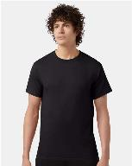
CHAMPION | T425 | TAGLESS COTTON SHORT SLEEVE TEE | BLACK | MEDIUM | 72 | 5 | 360
CHAMPION | T425 | TAGLESS COTTON SHORT SLEEVE TEE | BLACK | LARGE | 72 | 4 | 288
CHAMPION | T425 | TAGLESS COTTON SHORT SLEEVE TEE | BLUE LAGOON | 3X LARGE | 36 | 1 | 36
CHAMPION | T425 | TAGLESS COTTON SHORT SLEEVE TEE | EMERALD GREEN | 3X LARGE | 36 | 1 | 36 | 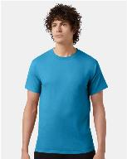
CHAMPION | T425 | TAGLESS COTTON SHORT SLEEVE TEE | FRESH OLIVE | X LARGE | 72 | 1 | 72 | 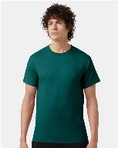
CHAMPION | T425 | TAGLESS COTTON SHORT SLEEVE TEE | GOLD | MEDIUM | 72 | 1 | 72 | 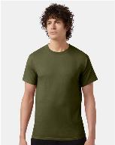
CHAMPION | T425 | TAGLESS COTTON SHORT SLEEVE TEE | GOLD | LARGE | 72 | 1 | 72 | 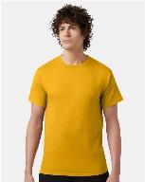
CHAMPION | T425 | TAGLESS COTTON SHORT SLEEVE TEE | GOLD | X LARGE | 72 | 1 | 72 | 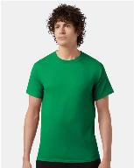
CHAMPION | T425 | TAGLESS COTTON SHORT SLEEVE TEE | KELLY GREEN | 2X LARGE | 36 | 1 | 36 | 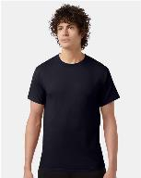
CHAMPION | T425 | TAGLESS COTTON SHORT SLEEVE TEE | NAVY | MEDIUM | 72 | 2 | 144 | 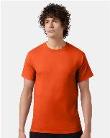
CHAMPION | T425 | TAGLESS COTTON SHORT SLEEVE TEE | ORANGE | MEDIUM | 72 | 1 | 72 | 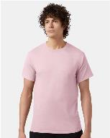
CHAMPION | T425 | TAGLESS COTTON SHORT SLEEVE TEE | PINK CANDY | 2X LARGE | 36 | 1 | 36 | 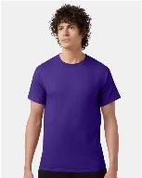
CHAMPION | T425 | TAGLESS COTTON SHORT SLEEVE TEE | PURPLE | MEDIUM | 72 | 1 | 72 | 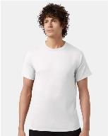
CHAMPION | T425 | TAGLESS COTTON SHORT SLEEVE TEE | WHITE | SMALL | 72 | 2 | 144
CHAMPION | T425 | TAGLESS COTTON SHORT SLEEVE TEE | WHITE | MEDIUM | 72 | 6 | 432
CHAMPION | T425 | TAGLESS COTTON SHORT SLEEVE TEE | WHITE | LARGE | 72 | 6 | 432
CHAMPION | T425 | TAGLESS COTTON SHORT SLEEVE TEE | WHITE | X LARGE | 72 | 4 | 288
 |  |  |  |  |  | 40 | 2736

